Stand-alone CCEOP Instructions
Instructions for completing and submitting a stand-alone CCEOP request (outside of an FPP request)

1 | Plan Timeline | 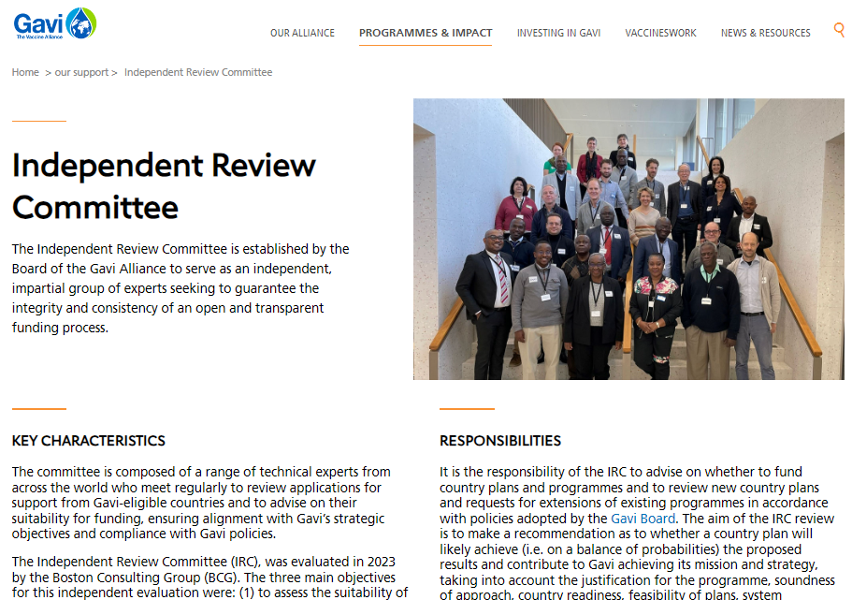 | Plan your submission according to the IRC application submission deadlines which can be found on the Gavi website. | 4 | Complete & Upload | Attachments specifically required for CCEOP requests:
 |  |  |  |  |  | WHO Inventory & Gap Analysis Tool with recent inventory report and facilities segmentation (updated within the last 12 months) | https://www.who.int/teams/immunization-vaccines-and-biologicals/essential-programme-on-immunization/supply-chain/supply-chain-tools
 |  |  |  |  |  | You will need to complete a Gavi workplan mapping activities related to your CCEOP request. The workplan template for a standalone vaccine request can be found here. | (See next tab)
 |  |  | https://www.gavi.org/programmes-impact/our-support |  |  | Comprehensive CCE Needs Document for CCEOP Support | https://www.gavi.org/news/document-library/comprehensive-cce-needs-document-cceop-support
 |  |  |  |  |  | CCEOP budget template | https://www.gavi.org/news/document-library/cceop-budget-template
2 | Country CCEOP Folder |  | Submit your stand-alone CCEOP request by uploading your final documents to a tailored application folder which will be provided to you by Gavi (please ask your SCM for access to this folder). |  |  | EVM & updated CIP (within the last 6 months)
 |  |  |  |  |  | Proof of status for CCE Tariff exemptions waiver: Import Duty Exemption Certificate (IDEC)
 |  |  |  |  | * | Countries should also providethe operational deployment plan (ODP) as part of WHO pre-screening which should occur before an official Gavi submission | https://www.gavi.org/news/document-library/cceop-operational-deployment-plan
3 | Consult | Resources & Guidelines
 |  | Gavi Programme Funding Guidelines | https://www.gavi.org/news/document-library/gavi-programme-funding-guidelines | 5 | Signatures | 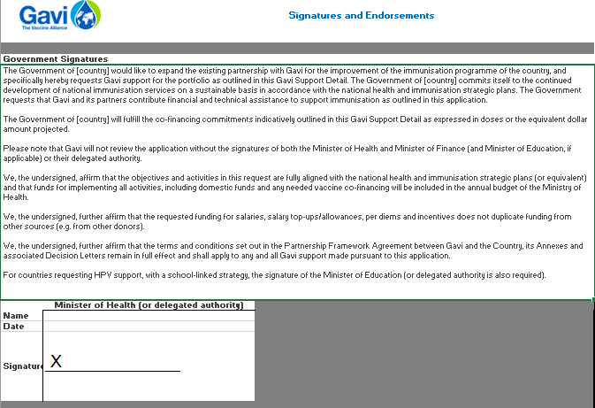 | Secure signatures on the enclosed sheet

 |  | Cold Chain Equipment Technology Guide | https://www.gavi.org/news/document-library/cold-chain-equipment-technology-guide

