Stand-alone Vx Instructions
Instructions for completing and submitting a stand-alone request for Innovation Top-Up funding (outside of an FPP request)

1 | Plan Timeline | 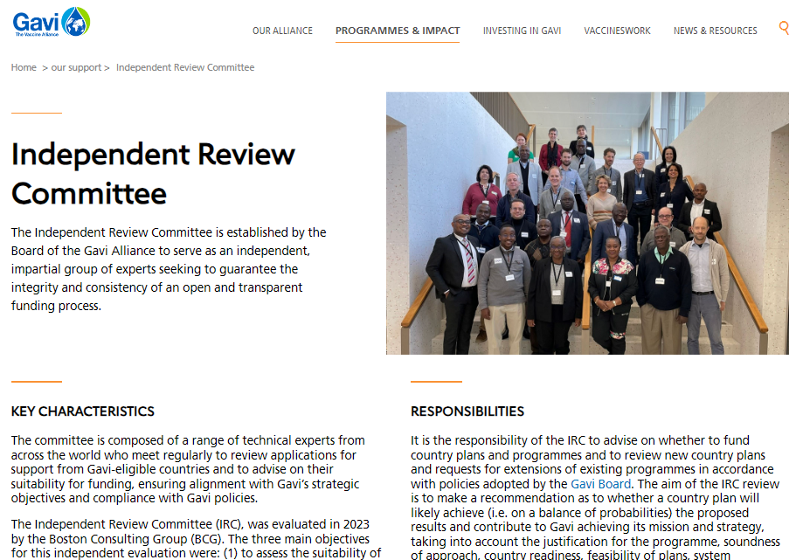 | Plan your submission according to the IRC application submission deadlines which can be found on the Gavi website. | 5 | Detailed Budget | 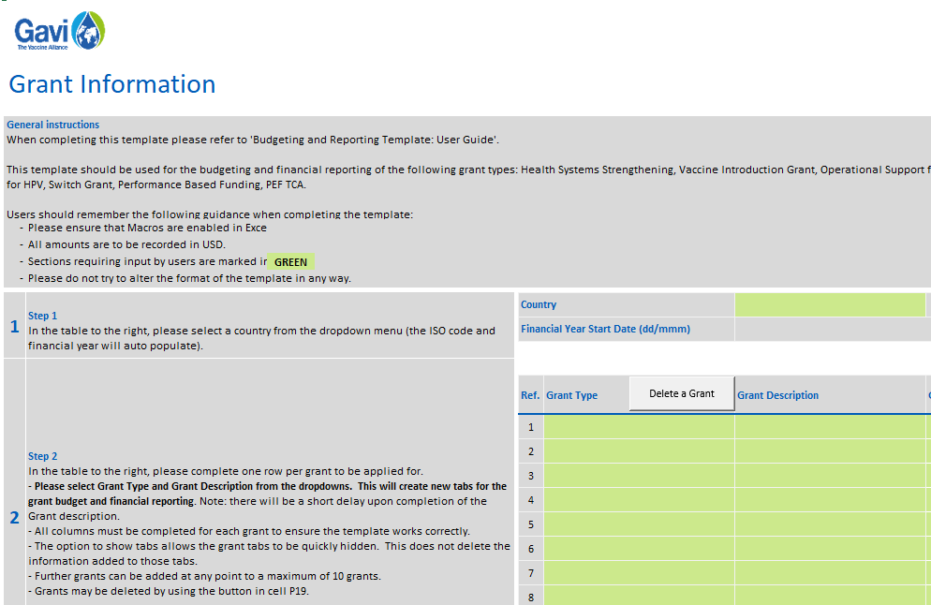 | You will also need to complete a detailed budget for your request and upload the completed file on the portal as an attachment.
 |  |  | https://www.gavi.org/programmes-impact/our-support |  |  | Budget Eligibility Guide | https://www.gavi.org/news/document-library/gavi-budget-eligibility-guide
 |  |  |  |  |  | Budgeting & Reporting Template User Guide | https://www.gavi.org/news/document-library/gavi-budgeting-reporting-template-user-guide
 |  |  |  |  |  | Gavi Budgeting & Reporting Template | https://www.gavi.org/news/document-library/gavi-budgeting-reporting-template

2 | Innovation Top-up application folder |  | You should request materials and submit your stand-alone Innovation Top-up request via a dedicated application folder provided by Gavi. Please ask your SCM to provide you with this folder. | 6 | Targeted Areas | 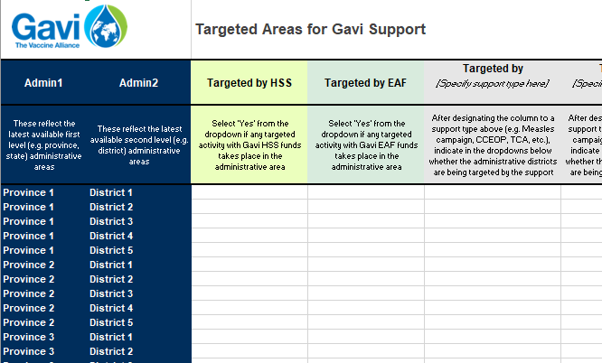 | If applicable, (as advised by your Gavi SCM) you may need to provide information on targeted areas. In this case, you will need to connect with your SCM to obtain a pre-populated 'Targeted Areas' tab specific to your country. This tab will only apply for some requests (i.e. those targeting sub-national areas). Please confirm with your SCM whether this is required to complete your application.

3 | Activities Workplan | 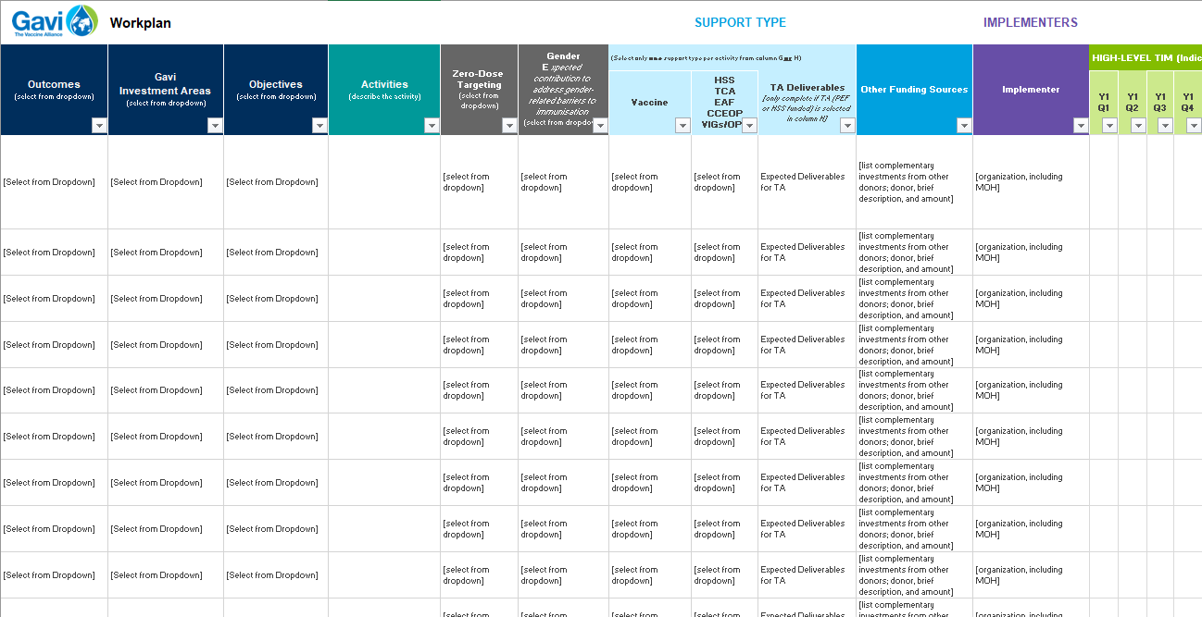 | You will need to complete a workplan mapping activities in your Innovation Top-Up. The workplan template for a standalone Innovation Top Up request can be found in this document here. | 7 | Sign & Submit | 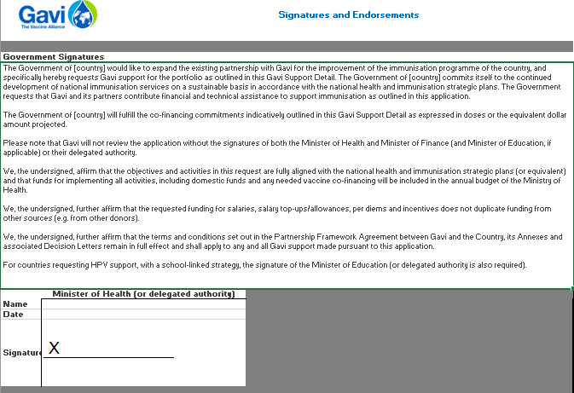 | Secure endorsements and signatures on the enclosed sheet; and submit the application packake to proposals@gavi.org

4 | Standalone Innovation Ttop-up Narrative | 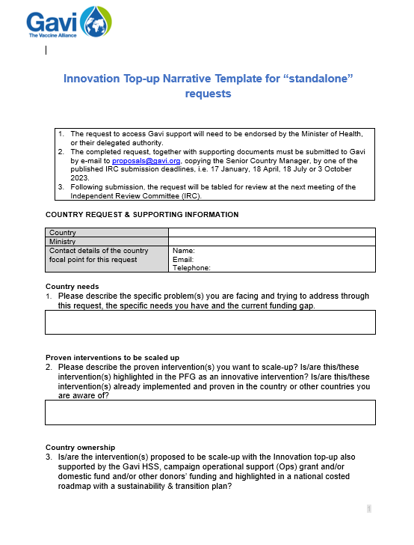 | https://www.gavi.org/news/document-library/standalone-innovation-top-narrative-template

Targeted Areas
 |  | Targeted Areas for Gavi Support
Admin1 | Admin2 | Targeted by HSS | Targeted by EAF | Targeted by [Specify support type here] | Targeted by [Specify support type here] | Targeted by [Specify support type here] | Targeted by [Specify support type here] | Targeted by [Specify support type here] | Notes
These reflect the latest available first level (e.g. province, state) administrative areas | These reflect the latest available second level (e.g. district) administrative areas | Select 'Yes' from the dropdown if any targeted activity with Gavi HSS funds takes place in the administrative area | Select 'Yes' from the dropdown if any targeted activity with Gavi EAF funds takes place in the administrative area | After designating the column to a support type above (e.g. Measles campaign, CCEOP, TCA, etc.), indicate in the dropdowns below whether the administrative districts are being targeted by the support | After designating the column to a support type above (e.g. Measles campaign, CCEOP, TCA, etc.), indicate in the dropdowns below whether the administrative districts are being targeted by the support | After designating the column to a support type above (e.g. Measles campaign, CCEOP, TCA, etc.), indicate in the dropdowns below whether the administrative districts are being targeted by the support | After designating the column to a support type above (e.g. Measles campaign, CCEOP, TCA, etc.), indicate in the dropdowns below whether the administrative districts are being targeted by the support | After designating the column to a support type above (e.g. Measles campaign, CCEOP, TCA, etc.), indicate in the dropdowns below whether the administrative districts are being targeted by the support | Enter any clarifications regarding administrative areas, types of support, how and why the administrative area will be targeted, or any other information that might be helpful to you or Gavi for further clarification.

(If Applicable)
Please ask your SCM for a pre-populated 'Targeted Areas' tab specific to your country.

